Cover page
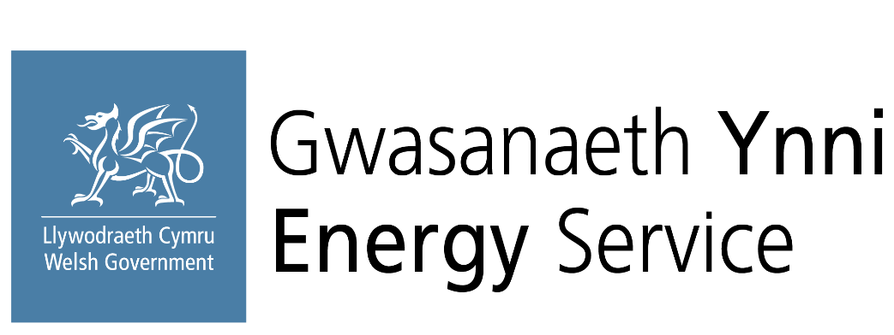

Welsh Public Sector Net Zero Carbon Reporting
Supply chain data collection form

v.02 (27 May 2026)

Produced by the Welsh Government Energy Service on behalf of the Welsh Public Sector

