Home
Sensory Health Dashboard

Sight Loss
Sight Tests
Welcome to the Sensory Health Dashboard, an interactive tool designed to aid users in interpreting statistics from this year's Sensory Health: Eye Care and Hearing Statistics release.
EHEW Examinations
Vouchers & Repairs

Optometry Practices
Referrals to HES
The data can be broken down by Health Board level or can be shown overall for Wales. Click here to select the breakdown.

Low Vision Service Wales
DESW Appointments
 |  | Currently selected:
 |  | Wales

Ophthalmic Practitioners
NHS Workforce
Please refer to the Notes page and to the statistical release (link below) for background information

Disability Registers
Hearing Aid Waiting Times
To view the latest Sensory Health statistical release click here.
Ophthalmology Waiting Times
Hospital Admissions
 | To view tables on ophthalmic statistics click the StatsWales icon on the left.

Summary
Comparisons
If at any point you want to get back to this page click the home button as seen below.

Notes

Select Health Board
Sensory Health Dashboard
Sensory Health Dashboard
Sensory Health Dashboard

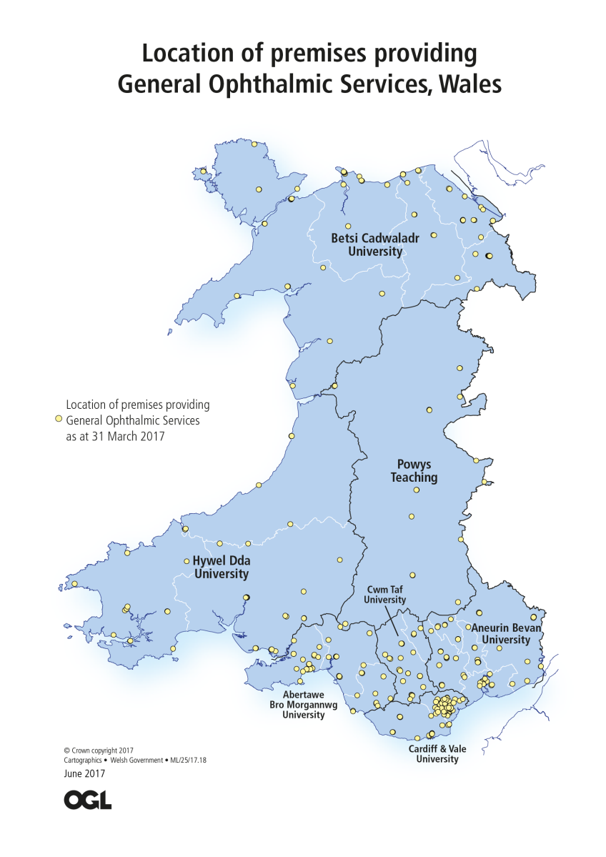
Location of premises providing General Ophthalmic Services, Wales
Sight Loss

When Wales or a health board is selected the dashboard updates to show that area's data.

Sight Loss
Sensory Health Dashboard
Sensory Health Dashboard

Select Health Board
Sight Tests & Eye Examinations
Sight Loss

Showing data for: Wales
Click here to select a health board

 | Chart 1c: New CVIs with glaucoma per 100,000 Welsh residents aged 40+
2013-14 | 12
2014-15 | 11
2015-16 | 12
Chart 1c shows that the number of new CVIs with glaucoma per 100,000 Welsh residents aged 40 or older has increased by 1 since 2014-15, with there being 12 new CVIs per 100,000 Welsh residents aged 40 or older, during the 2015-16 financial year.

Note:
1. A Certificate of Vision Impairment (CVI) contains information about the eye condition of a patient causing the sight impairment; it is sent to Moorfields Eye Hospital who collate and analyse the data for new registrations each year.

Sight Tests
Sensory Health Dashboard
Sensory Health Dashboard

Sight Loss
EHEW Examinations
Sight Tests & Eye

Examinations
Showing data for: Wales
Click here to select a health board

 |  | 65
 | Chart 2c: Sight tests paid by NHS in adults on income support* per 1,000 Welsh residents (16-59)
2014-15 | 68
2015-16 | 68
2016-17 | 65

 |  | OUT OF

 |  | 1,000 WELSH

 |  | A D U L T S O N
 | Chart 2c shows that between 2015-16 and 2016-17 that the number of Welsh residents on income support who received sight tests paid for by the NHS has decreased in comparison to the size of the population. | INCOME SUPPORT* HAD
 |  | A SIGHT TEST PAID BY THE
 |  | NHS IN 2016/17 FINANCIAL YEAR

* Income support includes: Adults receiving Income Support, Universal Credit, Pension Credit Guarentee Credit, Income related Employment and Support allowance, Tax Credit or Job Seekers Allowance and adults holding a low income certificate

EHEW
Sensory Health Dashboard
Sensory Health Dashboard

Sight Tests & Eye Examinations
Vouchers and Repairs
EHEW Examinations

Chart 3: Number of examinations claimed for under the EHEW** scheme by age of patient, 2016-17
 | EHEW Band 1 | EHEW Band 2 | EHEW Band 3
<20 | 7,616 | 5,275 | 1,158
20-59 | 40,424 | 7,281 | 6,484
60-69 | 19,226 | 7,644 | 4,118
70-79 | 16,396 | 10,459 | 4,583
80+ | 9,888 | 6,786 | 2,965
Showing data for: Wales
Click here to select a health board

 | In 2016-17 there were 93,566 Band 1 examinations, 37,448 Band 2 examinations and 19,310 Band 3 Examinations in Wales.

 | A look at the EHEW examinations carried out by year can be seen on the Sight Tests page.

 | There were 21 examinations were age is unknown, these have been excluded from the chart.

 |  | NHS IN 2016/17 FINANCIAL YEAR

** The Eye Health Examination Wales (EHEW) scheme offers extended free eye examinations to groups of the population that are at greater risk of certain eye diseases and to those that may find losing their sight particularly disabling.

Vouchers & Repairs
Sensory Health Dashboard
Sensory Health Dashboard

EHEW Examinations
Optometry Practices
Vouchers Reimbursed & Claims

for Repairs and Replacements

Showing data for: Wales
Click here to select a health board

 |  | 93
 | Chart 4a: Vouchers reimbursed per 1,000 Welsh residents (all ages)
2014-15 | 96
2015-16 | 94
2016-17 | 93

 |  | OUT OF

 |  | 1,000 WELSH

 |  | R E S I D E N T S
 | Chart 4a shows that the number of vouchers reimbursed per 1,000 Welsh residents (all ages) decreased between the 2015-16 and 2016-17 financial years. | HAD VOUCHERS
 |  | R E I M B U R S E D
 |  | IN 2016/17 FINANCIAL YEAR

Optometry Practices
Sensory Health Dashboard
Sensory Health Dashboard

Vouchers & Repairs
Referrals to HES
Optometry Practices

Showing data for: Wales
Click here to select a health board
Chart 5a: Percentage of optometry practices that were accredited to provide Eye Health Examinations Wales services
Percentage of optometry practices that were accredited | 58%
Percentage of optometry practices that were not accredited | 42%
Chart 5b: Percentage of optometry practices that were accredited to provide Low Vision Service Wales services
Percentage of optometry practices that were accredited | 93%
Percentage of optometry practices that were not accredited | 7%

 | 338 (93 per cent) optometry practices were accredited to provide Eye Health Examinations Wales services in Wales in the 2016-17 financial year; a 5 percentage point increase on the previous year.

 | 210 (58 per cent) optometry practices were accredited to provide Low Vision Service Wales services in Wales in the 2016-17 financial year; a 2 percentage point increase on the previous year.

Note: The Eye Health Examination Wales (EHEW) scheme offers extended free eye examinations to groups of the population that are at greater risk of certain eye diseases and to those that may find losing their sight particularly disabling. The Low Vision Service Wales (LVSW) aims to help people with visual impairment to remain independent by providing low vision aids.

Referrals
Sensory Health Dashboard
Sensory Health Dashboard

Optometry Practices
Low Vision Service Wales
Referrals to the

Chart 6: Number of GP and total referrals for first outpatient appointment for ophthalmology*
 | Number of total referrals (from all sources including optometry) to the hospital eye service | Number of referrals from GPs to the hospital eye service
2013-14 | 70,948 | 49,487
2014-15 | 81,605 | 47,168
2015-16 | 98,283 | 39,265
2016-17 | 91,846 | 31,824
Hospital Eye Service
Showing data for: Wales
Click here to select a health board
 | Chart 6 shows that from 2013-14 to 2015-16 the total number of referrals in Wales increased.

 | The number of referrals from GPs in Wales has decreased over the same period of time but note that Betsi Cadwaladr were unable to submit data for part of the health board for November 2016-March 2017 due to moving to the national Welsh Patient Administration System (WPAS).

Data downloaded on 18/05/2017

*There is variation in recording practice across health boards and not all sources of referral codes are captured. Since October 2014 local health boards have been able to submit data against a larger number of referral sources, causing a rise in the number of non-GP referrals. Therefore the increase of total referrals between 2013-14 and 2014-15 may not be a true increase, but it may be an increase due to the expansion of the referral source codes used.

LVS
Sensory Health Dashboard
Sensory Health Dashboard

Referrals to HES
DESW Appointments
Low Vision Service

Wales Assessments

Showing data for: Wales
Click here to select a health board

 | Chart 7a: Number of people who had a low vision assessment
2012-13 | 6851
2013-14 | 7237
2014-15 | 7790
2015-16 | 8049
2016-17 | 8792
 | Chart 7a shows that the number of people in Wales who had a low vision assessment has increased over the last 5 years. In 2016-17 the figure reached 8,792 which was over 700 more assessments than in 2015-16.

*The Low Vision Service Wales (LVSW) aims to help people with visual impairment to remain independent by providing low vision aids such as magnifiers, and by appropriate education, referral, and rehabilitation training. Low Vision is a term used to describe a sight problem that cannot be corrected by glasses, contact lenses, or medical treatment.

DESW
Sensory Health Dashboard
Sensory Health Dashboard

Low Vision Service Wales
Ophthalmic Practitioners
DESW Appointments

Chart 8: The percentage of scheduled DESW appointments where results were reported
 | Chart 6: The percentage of scheduled DRSSW appointments whose results were reported
2014-15 | 80%
2015-16 | 82%
2016-17 | 85%
Showing data for: Wales
Click here to select a health board
 | 85%

 | of

 | scheduled

 | DESW appointments
 | (invitations) had results
 | reported in 2016-17 | The percentage of scheduled DESW appointments where results were reported increased by 3 percentage points between the 2015-16 and 2016-17 financial years for Wales.

 | *Diabetic Eye Screening Wales (DESW) is provided for every eligible person 12 years and over of age with diabetes who is registered with a GP in Wales. The service makes use of mobile screening units, which visit the various Health Board areas.

Ophthalmic Practitioners
Sensory Health Dashboard
Sensory Health Dashboard

DESW Appointments
NHS Workforce
Ophthalmic Practitioners

Showing data for: Wales
Click here to select a health board

Chart 9a: Number of Ophthalmic Practitioners by gender
 | Female | Male
2012 | 395 | 414
2013 | 395 | 386
2014 | 407 | 369
2015 | 433 | 385
2016 | 441 | 378
 |  | 54%

 |  | of

 |  | opthalmic

 |  | practitioners
 |  | in Wales
 |  | were
 |  | female
 |  | in 2016

 | The number of male ophthalmic practitioners in Wales in 2016 decreased from the figure in 2015 while the number of females increased. This lead to an overall increase in the number of ophthalmic practitioners in Wales in 2016.

NHS Workforce
Sensory Health Dashboard
Sensory Health Dashboard

Ophthalmic Practitioners
Disability Registers
Workforce directly

employed by the NHS

Showing data for: Wales
Click here to select a health board

 | Chart 10a: Ophthalmology doctors directly employed by the NHS
2012 | 143.6
2013 | 143.6
2014 | 143.0
2015 | 134.1
2016 | 137.7
 | Chart 10a shows that the number of WTE ophthalmology doctors directly employed by the NHS in Wales has decreased since 2012. In 2016 there were 137.7 WTE ophthalmology doctors directly employed by this NHS in Wales which is 3.6 more than in 2015.

Disability Registers
Sensory Health Dashboard
Sensory Health Dashboard

NHS Workforce
Hearing Aid Waiting Times
Disability Registers

Showing data for: Wales
Click here to select a health board

 |  | 29,518

 |  | people in

 |  | Wales

 |  | are registered as
 |  | sight impaired,
 |  | hearing impaired or both

 | Look into more detail on people who are:

Hearing Aid Waiting Times
Eye Care Dashboard
Sensory Health Dashboard
Sensory Health Dashboard

Disability Registers
Opthalmology Waiting Times
Hearing Aid Waiting

390
people had
been waiting
for more than
14 weeks as of
31 March 2016
Times

Showing data for: Wales
Click here to select a health board
Chart 12: NHS waiting time for an Adult Hearing aid by grouped weeks as at 31 March
 | ≤8 weeks | >8 & ≤14 weeks | >14 & ≤24 weeks | >24 weeks
2012 | 2,629 | 622 | 2 | 0
2013 | 2,835 | 771 | 73 | 5
2014 | 2,876 | 876 | 2 | 0
2015 | 3,159 | 1,139 | 232 | 127
2016 | 3,442 | 1,119 | 276 | 114

 | Chart 12 reveals that the number of people from Wales waiting for hearing aids for less than 8 weeks and for between 14 and 24 weeks have both increased since the previous year. While the other groups, between 8 and 14 weeks and more than 24 weeks, have both decreased.

 | The target waiting time in Wales is 14 weeks and on 31 March 2017 the number patients waiting longer than 14 weeks reached a 5 year high in Wales.

Ophthalmology Waiting Times
Eye Care Dashboard
Sensory Health Dashboard
Sensory Health Dashboard

Hearing Aid Waiting Times
Hospital Admissions
Ophthalmology Waiting

Times

Showing data for: Wales
Click here to select a health board

Chart 13b: Patient pathways for ophthalmology waiting to start treatment, by grouped weeks wait as at 31 March
 | Up to 26 weeks | 26 to 36 weeks | Over 36 weeks
2013 | 28,987 | 3,891 | 905
2014 | 30,583 | 4,331 | 1,417
2015 | 29,799 | 5,455 | 3,515
2016 | 32,479 | 5,234 | 2,809
2017 | 35,633 | 5,401 | 756
 |  | 41,790

 |  | patients in

 |  | Wales

 |  | were
 |  | waiting for
 |  | ophthalmology
 |  | treatment
 |  | as at March 2017

 | Chart 13b shows that there were 41,790 patient pathways were waiting for ophthalmology treatment in Wales as at March 2017. Overall 2 per cent of patient pathways had waited more than 36 weeks on their pathway as at 31 March 2017.

Hospital Admissions
Eye Care Dashboard
Sensory Health Dashboard
Sensory Health Dashboard

Ophthalmology Waiting Times
Summary
Hospital admissions and

outpatients

Showing data for: Wales
Click here to select a health board

 | Chart 14b shows that the number of outpatient attendances (new and follow up) for ophthalmology in Wales has decreased over 5 years. Between 2014-15 and 2015-16, the number of new outpatient attendances increased by 2,310, while the number of follow up outpatient attendances decreased by 2,783.

Summary
Sensory Health Dashboard

Hospital Admissions
Comparisons
 |  | Summary

Showing data for: Wales
Click here to select a health board
 | Sight Loss |  | LVSW | DESW Appointments
 | In 2015-16 there were 45 new CVIs per 100,000 Welsh residents which is 5 more than in 2014-15. |  | The number of people in Wales who had a low vision assessment has increased over the last 5 years. In 2016-17 the figure reached 8,792 which was over 700 more assessments than in 2015-16. | 85 per cent of scheduled DESW appointments (invitations) in Wales had results reported in 2016-17

 | Sight Tests |  | Referrals to HES | Workforce
 | 251 out of 1,000 Welsh residents had a sight test paid by the NHS during the 2016-17 financial year. This figure was an increase on last year's figure of 248. |  | The number of referrals for a first ophthalmology outpatient appointment has increased over the last four years in Wales. Between 2014-15 and 2015-16 there was an increase of over 16,500 referrals from 81,515 to 98,024. | There was an increase in the number of ophthalmic practitioners in Wales between 2015 and 2016.

 | EHEW |  | Optometry Practices | Hospital Admissions
 | 150,324 EHEW examinations were carried out in Wales in the 2016-17 financial year; this is an increase of over 28,500 from the 121,736 eye examinations in 2015-16. |  | 338 (93 per cent) optometry practices in Wales were accredited to provide Eye Health Examinations Wales services and 210 (58 per cent) to provide Low Vision Service Wales services in 2016-17. | The number of admissions for procedures relating to hearing loss in Wales has gone down over the 5 years, while the number of admissions for a diagnosis relating to hearing loss has increased.

 | Hearing Aid Waiting Times |  | Ophthalmology Waiting Times | Disability Registers
 | The target waiting time in Wales is 14 weeks and on 31 March 2017 there were 390 patients that had been waiting longer than 14 weeks in Wales |  | The number of closed pathways for ophthalmology in Wales was 103,895 in 2016-17. There were 41,790 patients were waiting for ophthalmology treatment in Wales on 31 March 2017. | 29,518 people in Wales are registered as sight impaired, hearing impaired or both.

Comparisons
Sensory Health Dashboard

Summary
Notes
 | Comparisons

In 2015-16 there were 45 new CVIs per 100,000 Welsh residents. Out of the health boards, Powys had the highest rate with 59 new CVIs per 100,000 Powys residents and the lowest rate was in Cardiff & Vale with 33 new CVIs per 100,000 Cardiif & Vale residents.

Notes
Sensory Health Dashboard
Sensory Health Dashboard

Comparisons
Notes

 | This dashboard has been produced in alignment with the Sensory Health: Eye Care and Hearing Statistics, 2016-17
 | The release can be found on the research and statistics page of the Welsh Government website or by clicking here: | link.
 | Key quality information about the statistics can be found on page 52 onwards of the release.

 | A copy of the Welsh Government's 5 year plan to improve eye health in Wales can be found by clicking the link below.
 | http://gov.wales/topics/health/nhswales/plans/eye_plan/?lang=en

 | ONS mid year estimates of population are used in this dashboard; for 2016-17 the 2015 mid year estimates have been used. These estimates are published on statsWales here:

 | https://statswales.wales.gov.uk/Catalogue/Population-and-Migration/Population/Estimates/Local-Health-Boards/populationestimates-by-welshhealthboard-year

To view tables on ophthalmic statistics click the StatsWales icon on the left.

 | We welcome any feedback on this dashboard which can be provided by email to
 | stats.healthinfo@wales.gsi.gov.uk.

